Sheet1
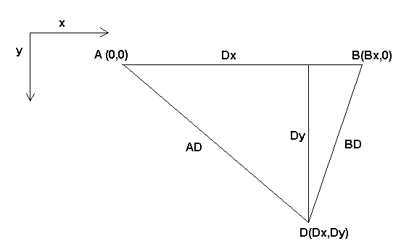
Diameter of shaft | 6 | mm
steps/rev | 200
string/step | 0.094247779608 | mm
BX | 1000 | mm
Page Height | 1000 | mm
 | AD Table
 |  | X
 | Y | 0 | 100 | 200 | 300 | 400 | 500 | 600 | 700 | 800 | 900 | 1000
 |  | 100 | 141.42135624 | 244.94897428 | 387.29833462 | 556.77643628 | 748.33147735 | 959.16630466 | 1187.4342087 | 1431.7821063 | 1691.1534525 | 1964.6882704
 |  | 200 | 223.60679775 | 282.84271247 | 412.31056256 | 574.45626465 | 761.57731059 | 969.53597148 | 1195.8260743 | 1438.749457 | 1697.0562748 | 1969.7715604
 |  | 300 | 316.22776602 | 374.16573868 | 479.58315233 | 624.49979984 | 800 | 1000 | 1220.6555616 | 1459.4519519 | 1714.6428199 | 1984.9433241
 |  | 400 | 412.31056256 | 458.2575695 | 547.72255751 | 678.23299831 | 842.61497732 | 1034.4080433 | 1248.9995997 | 1483.2396974 | 1734.9351573 | 2002.4984395
 |  | 500 | 509.90195136 | 547.72255751 | 624.49979984 | 741.61984871 | 894.427191 | 1077.0329614 | 1284.5232579 | 1513.274595 | 1760.6816862 | 2024.8456731
 |  | 600 | 608.27625303 | 640.31242374 | 707.10678119 | 812.40384046 | 953.93920142 | 1126.942767 | 1326.6499161 | 1549.1933385 | 1791.6472867 | 2051.8284529
 |  | 700 | 707.10678119 | 734.84692283 | 793.72539332 | 888.81944173 | 1019.8039027 | 1183.2159566 | 1374.7727085 | 1590.5973721 | 1827.5666882 | 2083.2666656
 |  | 800 | 806.22577483 | 830.66238629 | 883.17608663 | 969.53597148 | 1090.8712115 | 1244.9899598 | 1428.2856857 | 1637.0705544 | 1868.1541692 | 2118.96201
 |  | 900 | 905.53851381 | 927.36184955 | 974.67943448 | 1053.5653753 | 1166.190379 | 1311.4877049 | 1486.6068747 | 1688.1943016 | 1913.112647 | 2158.7033145
 |  | 1000 | 1004.9875621 | 1024.6950766 | 1067.7078252 | 1140.1754251 | 1244.9899598 | 1382.0274961 | 1549.1933385 | 1743.5595774 | 1962.141687 | 1414.2135624

 | BD Table
 |  | X
 | Y | 0 | 100 | 200 | 300 | 400 | 500 | 600 | 700 | 800 | 900 | 1000
 |  | 100 | 31.622776602 | 202.48456731 | 361.93922142 | 539.44415837 | 735.52702194 | 949.21019801 | 1179.4066305 | 1425.1315729 | 1685.5266239 | 1959.8469328
 |  | 200 | 806.22577483 | #VALUE! | #VALUE! | #VALUE! | #VALUE! | #VALUE! | #VALUE! | #VALUE! | #VALUE! | #VALUE!
 |  | 300 | #VALUE! | #VALUE! | #VALUE! | #VALUE! | #VALUE! | #VALUE! | #VALUE! | #VALUE! | #VALUE! | #VALUE!
 |  | 400 | #VALUE! | #VALUE! | #VALUE! | #VALUE! | #VALUE! | #VALUE! | #VALUE! | #VALUE! | #VALUE! | #VALUE!
 |  | 500 | #VALUE! | #VALUE! | #VALUE! | #VALUE! | #VALUE! | #VALUE! | #VALUE! | #VALUE! | #VALUE! | #VALUE!
 |  | 600 | #VALUE! | #VALUE! | #VALUE! | #VALUE! | #VALUE! | #VALUE! | #VALUE! | #VALUE! | #VALUE! | #VALUE!
 |  | 700 | #VALUE! | #VALUE! | #VALUE! | #VALUE! | #VALUE! | #VALUE! | #VALUE! | #VALUE! | #VALUE! | #VALUE!
 |  | 800 | #VALUE! | #VALUE! | #VALUE! | #VALUE! | #VALUE! | #VALUE! | #VALUE! | #VALUE! | #VALUE! | #VALUE!
 |  | 900 | #VALUE! | #VALUE! | #VALUE! | #VALUE! | #VALUE! | #VALUE! | #VALUE! | #VALUE! | #VALUE! | #VALUE!
 |  | 1000 | #VALUE! | #VALUE! | #VALUE! | #VALUE! | #VALUE! | #VALUE! | #VALUE! | #VALUE! | #VALUE! | #VALUE!

